Bug Report
Defect Report |  | Defect Report |  | Defect Report |  | Defect Report |  | Defect Report |  | Defect Report |  | Defect Report |  | Defect Report |  | Defect Report |  | Defect Report |  | Defect Report |  | Defect Report |  | Defect Report

Release | V.1.0 | Release | V.1.0 | Release | V.1.0 | Release | V.1.0 | Release | V.1.0 | Release | V.1.0 | Release | V.1.0 | Release | V.1.0 | Release | V.1.0 | Release | V.1.0 | Release | V.1.0 | Release | V.1.0 | Release | V.1.0
ID | TC_002 | ID | TC_018 | ID | TC_019 | ID | TC_022 | ID | TC_028 | ID | TC_029 | ID | TC_037 | ID | TC_050 | ID | TC_051 | ID | TC_052 | ID | TC_053 | ID | TC_056 | ID | TC_057
Title | User is not able to Register if he/she enters a Full name with two charachters | Title | Register should fail if address Is empty | Title | Register should fail if address Is one character | Title | Register should fail if city Is one character | Title | The login page there is submit button should named "Login" ,"Create" | Title | Dashboard tab still is selected when I click another tab | Title | Search function work well in all admin site | Title | verify that min & max price don’t take negative value in products tab | Title | Quantity is integer values only | Title | verify that edit button don’t take negative value in price | Title | verify that edit button take only integer value in stock | Title | Details button show the product details right in products tab | Title | The edit button inside details button edit well in products tab
Description | It happens in all the browsers and all the screen views, the Full name that we used during the testing is SAL | Description | Register should fail if address Is empty | Description | Register should fail if address Is one character | Description | Register should fail if city Is one character | Description | The submit button should named "Login" ,"Create" | Description | Dashboard tab still is selected when I click another tab | Description | Search function work well in all admin site | Description | verify that min & max price don’t take negative value in products tab | Description | Quantity is integer values only | Description | verify that edit button don’t take negative value in price in products tab | Description | verify that edit button take only integer value in stock | Description | Details button show the product details right in products tab | Description | The edit button inside details button edit well in products tab
Steps | Enter a full name with two characters Fill a correct email format, and the email should not be registered in the database. .should enter correct Address Should enter correct city .Fill a user name Fill a correct password. Fill a correct confirm password. - Click on Register button | Steps | Fill a correct full name Fill an correct email Should keep address empty Should enter correct city .Fill a user name Fill a not correct password Fill a correct confirm password and equal to the password. Click on Register button | Steps | Fill a correct full name Fill an correct email should enter one character Should enter correct city .Fill a user name Fill a not correct password Fill a correct confirm password and equal to the password. Click on Register button | Steps | Fill a correct full name Fill an correct email should enter correct Address Should enter one character .Fill a user name Fill a not correct password Fill a correct confirm password and equal to the password. Click on Register button | Steps | Fill the email input with a correct email. Fill the password correct. Click on Login Button | Steps | Admin in Dashboard tab Click Another tab | Steps | Click on search field write word in search input | Steps | fill max & or min price with negative value | Steps | try to choose value of quantity | Steps | Click edit buttom fill price with negative value | Steps | fill stock with negative value | Steps | Click on Details button | Steps | Click on Details button Click on Edit button
Expected Results | Should show this error " The Full Name field is required. | Expected Results | Register should fail | Expected Results | Register should fail | Expected Results | Register should fail | Expected Results | The submit button should named "Login " | Expected Results | Dashboard tab is disabled when I click another tab | Expected Results | Search function should work well | Expected Results | error massage : wrong value (out of range) | Expected Results | should only accept integer values | Expected Results | error massage : wrong value (out of range) | Expected Results | error massage : wrong value (out of range) | Expected Results | Should Details button show the product details right | Expected Results | Should can edit the product details I choose it
Actual Result | This error message was displayed "Full Name is required, and it should be more than 2 characters" | Actual Result | Register work | Actual Result | Register work | Actual Result | Register work | Actual Result | The submit button named "Create " | Actual Result | Dashboard tab still is selected when I click another tab | Actual Result | Search function don’t work well | Actual Result | don’t show error massage | Actual Result | accept integer values ant float | Actual Result | don’t show error massage and accept it | Actual Result | don’t show error massage and accept it | Actual Result | Details button show the cart details right but exist button named "Add To Cart" | Actual Result | error massage : No webpage was found for the web address: https://elmarket.runasp.net/Product/Edit
Environment | Chrome V. 136.0.7 | Environment | Chrome V. 136.0.7 | Environment | Chrome V. 136.0.7 | Environment | Chrome V. 136.0.7 | Environment | Chrome V. 136.0.7 | Environment | Chrome V. 136.0.7 | Environment | Chrome V. 136.0.7 | Environment | Chrome V. 136.0.7 | Environment | Chrome V. 136.0.7 | Environment | Chrome V. 136.0.7 | Environment | Chrome V. 136.0.7 | Environment | Chrome V. 136.0.7 | Environment | Chrome V. 136.0.7
Screenshot / Video | 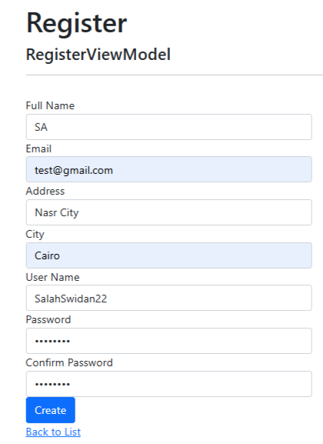 | Screenshot / Video | 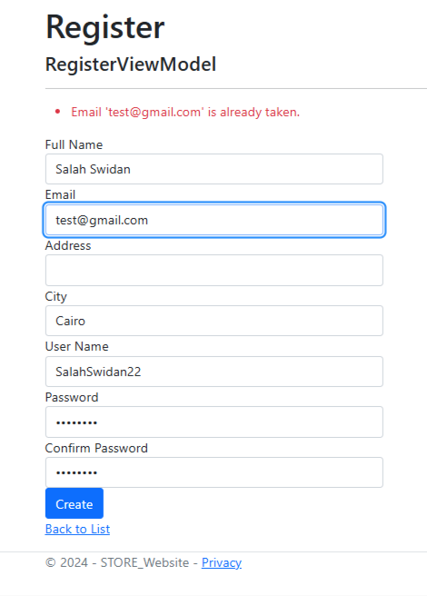 | Screenshot / Video | 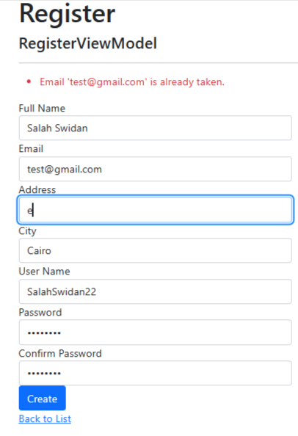 | Screenshot / Video | 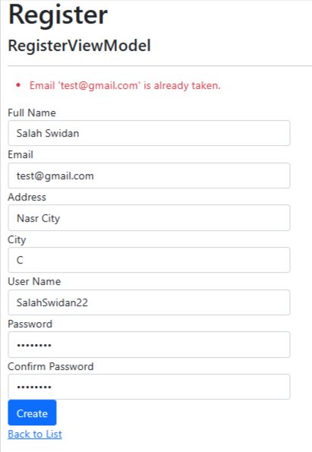 | Screenshot / Video | 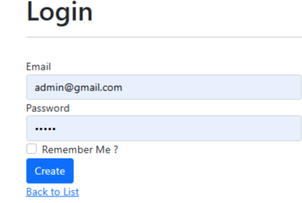 | Screenshot / Video |  | Screenshot / Video |  | Screenshot / Video |  | Screenshot / Video |  | Screenshot / Video |  | Screenshot / Video | 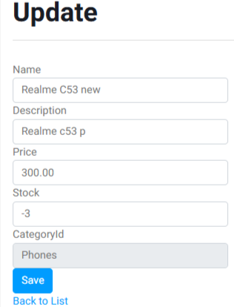 | Screenshot / Video | 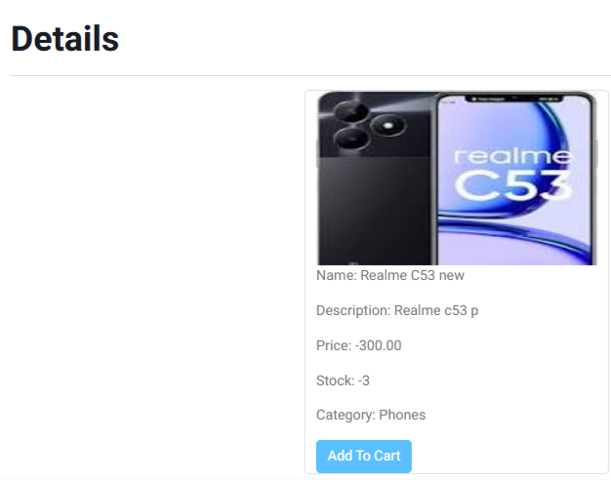 | 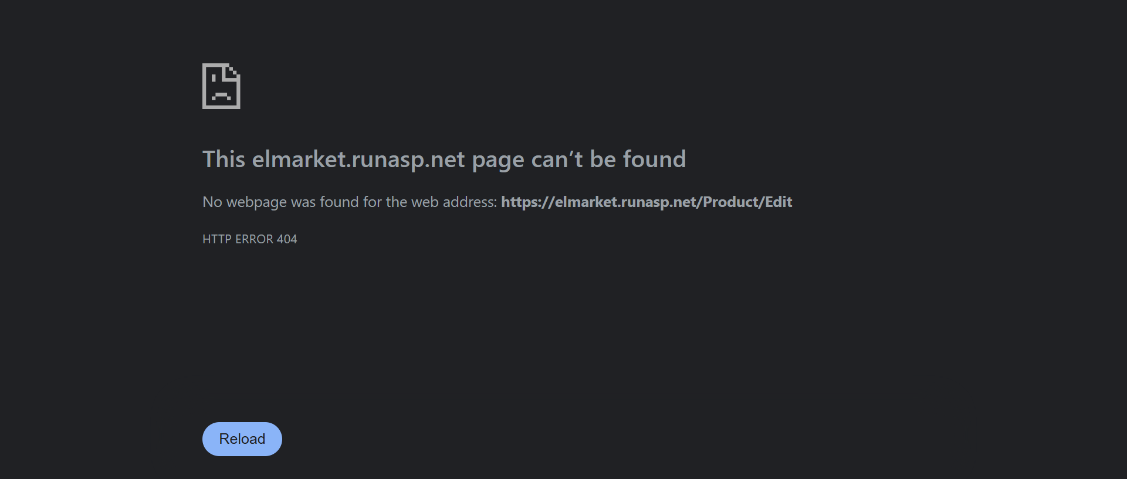 Screenshot / Video
Rate | 2022-05-05 | Rate | 2022-05-05 | Rate | 2022-05-05 | Rate | 2022-05-05 | Rate | 2022-05-05 | Rate | 2022-05-05 | Rate | 2022-05-05 | Rate | 2022-05-05 | Rate | 2022-05-05 | Rate | 2022-05-05 | Rate | 2022-05-05 | Rate | 2022-05-05 | Rate | 2022-05-05
Priority | B | Priority | A | Priority | B | Priority | B | Priority | A | Priority | B | Priority | B | Priority | B | Priority | A | Priority | A | Priority | A | Priority | B | Priority | A
Status | Open | Status | Open | Status | Open | Status | Open | Status | Open | Status | Open | Status | Open | Status | Open | Status | Open | Status | Open | Status | Open | Status | Open | Status | Open
© Copy rights for Salah Swidan 2025 |  | © Copy rights for Salah Swidan 2025 |  | © Copy rights for Salah Swidan 2025 |  | © Copy rights for Salah Swidan 2025 |  | © Copy rights for Salah Swidan 2025 |  | © Copy rights for Salah Swidan 2025 |  | © Copy rights for Salah Swidan 2025 |  | © Copy rights for Salah Swidan 2025 |  | © Copy rights for Salah Swidan 2025 |  | © Copy rights for Salah Swidan 2025 |  | © Copy rights for Salah Swidan 2025 |  | © Copy rights for Salah Swidan 2025 |  | © Copy rights for Salah Swidan 2025

Defect Report |  | Defect Report |  | Defect Report |  | Defect Report |  | Defect Report

Release | V.1.0 | Release | V.1.0 | Release | V.1.0 | Release | V.1.0 | Release | V.1.0
ID | TC_063 | ID | TC_065 | ID | TC_067 | ID | TC_074 | ID | TC_078
Title | verify that min & max price don’t take negative value in products tab | Title | Quantity is integer values only in products tab | Title | verify the stock of products not decreasing before user complete this order in products tab | Title | order tracking | Title | User can cancel order
Description | verify that min & max price don’t take negative value in products tab | Description | Quantity is integer values only in products tab | Description | verify the stock of products not decreasing before user complete this order in products tab | Description | User should tracking the order after make it | Description | User can cancel order
Steps | fill max & or min price with negative value | Steps | choose value of quantity | Steps | add an product to cart Click of Continue Shopping button Check that the stock is still fixed until complete order | Steps |  | Steps | try to cancel the order
Expected Results | error massage : wrong value (out of range) | Expected Results | should only accept integer values | Expected Results | stock of products not decreasing before user complete this order | Expected Results | should have order tracking button | Expected Results | User can cancel order
Actual Result | don’t show error massage | Actual Result | only accept integer values | Actual Result | stock of products is decreasing before user complete this order | Actual Result | don’t exist order tracking | Actual Result | User can’t cancel order
Environment | Chrome V. 136.0.7 | Environment | Chrome V. 136.0.7 | Environment | Chrome V. 136.0.7 | Environment | Chrome V. 136.0.7 | Environment | Chrome V. 136.0.7
Screenshot / Video |  | Screenshot / Video |  | Screenshot / Video | 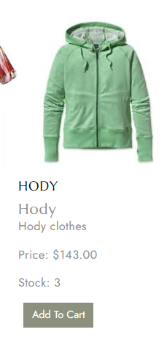 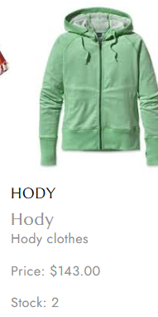 | Screenshot / Video |  | Screenshot / Video
Rate | 2022-05-05 | Rate | 2022-05-05 | Rate | 2022-05-05 | Rate | 2022-05-05 | Rate | 2022-05-05
Priority | B | Priority | B | Priority | A | Priority | B | Priority | A
Status | Open | Status | Open | Status | Open | Status | Open | Status | Open
© Copy rights for Salah Swidan 2025 |  | © Copy rights for Salah Swidan 2025 |  | © Copy rights for Salah Swidan 2025 |  | © Copy rights for Salah Swidan 2025 |  | © Copy rights for Salah Swidan 2025

